LinearRegression
Scatter Plot
Advt | Sales
x | y | x-mean of x | y-mean of y | x error*y error | x-mean of x^2 | Predicted y | Estimated Error | Estimated Error^2 | SST | SSE | SSR | SSR1
2000 | 3000 | -13166.666667 | -9416.6666667 | 123986111.11 | 173361111.11 | 3801.0556971 | -801.05569712 | 641690.2299 | 88673611.111 | 641690.2299 | 88031920.881 | 74228752.379
5000 | 7000 | -10166.666667 | -5416.6666667 | 55069444.444 | 103361111.11 | 5764.1062978 | 1235.8937022 | 1527433.2432 | 29340277.778 | 1527433.2432 | 27812844.535 | 44256559.462
8000 | 5000 | -7166.6666667 | -7416.6666667 | 53152777.778 | 51361111.111 | 7727.1568984 | -2727.1568984 | 7437384.7487 | 55006944.444 | 7437384.7487 | 47569559.696 | 21991501.866
9000 | 8000 | -6166.6666667 | -4416.6666667 | 27236111.111 | 38027777.778 | 8381.5070987 | -381.50709865 | 145547.66632 | 19506944.444 | 145547.66632 | 19361396.778 | 16282512.739
10000 | 12000 | -5166.6666667 | -416.66666667 | 2152777.7778 | 26694444.444 | 9035.8572989 | 2964.1427011 | 8786141.9527 | 173611.11111 | 8786141.9527 | -8612530.8415 | 11429871.981
12000 | 9000 | -3166.6666667 | -3416.6666667 | 10819444.444 | 10027777.778 | 10344.557699 | -1344.5576993 | 1807835.4068 | 11673611.111 | 1807835.4068 | 9865775.7043 | 4293635.5726
15000 | 15000 | -166.66666667 | 2583.3333333 | -430555.55556 | 27777.777778 | 12307.6083 | 2692.3917 | 7248973.0664 | 6673611.1111 | 7248973.0664 | -575361.95531 | 11893.727348
18000 | 15000 | 2833.3333333 | 2583.3333333 | 7319444.4444 | 8027777.7778 | 14270.658901 | 729.34109938 | 531938.43925 | 6673611.1111 | 531938.43925 | 6141672.6719 | 3437287.2036
20000 | 12000 | 4833.3333333 | -416.66666667 | -2013888.8889 | 23361111.111 | 15579.359301 | -3579.3593011 | 12811813.006 | 173611.11111 | 12811813.006 | -12638201.895 | 10002624.7
25000 | 22000 | 9833.3333333 | 9583.3333333 | 94236111.111 | 96694444.444 | 18851.110302 | 3148.8896979 | 9915506.3292 | 91840277.778 | 9915506.3292 | 81924771.449 | 41402064.898
28000 | 18500 | 12833.333333 | 6083.3333333 | 78069444.444 | 164694444.44 | 20814.160903 | -2314.1609028 | 5355340.6841 | 37006944.444 | 5355340.6841 | 31651603.76 | 70517909.446
30000 | 22500 | 14833.333333 | 10083.333333 | 149569444.44 | 220027777.78 | 22122.861303 | 377.13869676 | 142233.59659 | 101673611.11 | 142233.59659 | 101531377.51 | 94210214.323
40000 | ? | 24833.333333 |  | 599166666.67 | 915666666.67 | 28666.363305 |  | 56351838.369 | 448416666.67 | 56351838.369 | 392064828.3 | 392064828.3

 |  | B1 | Sum(X-mean of X) * (Y-Mean of Y)
 |  |  | Sum(X-mean of X)^2 |  |  |  |  |  |  | 1. Creating linear relationship
Regression Plot
 |  |  |  | 599166666.67
 |  |  |  | 915666666.67

 |  | B1/Slop Coefficient |  | 0.65435020022

 |  | B0/intercept | Mean of Y-(Mean of x*B1)
 |  |  | 2492.3552967

 |  | Linear Regression Formula |  |  | Pred y = B0 + B1*x

 |  | SD | SQRT(x - Mean of x)^2/n |  | How much your xi is near your mean
 |  |  | SQRT(Sum((y-Pred of y)^2/n |  | How much your yi is near your prediction

Normality of Error
 |  | RMSE | Average Estimated Error
 |  |  |  |  |  |  |  | -3579.3593011
 |  |  |  |  |  |  |  | -2727.1568984
 |  |  |  |  |  |  |  | -2314.1609028
 |  |  |  |  |  |  |  | -1344.5576993
 |  | Analysing the data |  |  |  |  |  | -801.05569712
 |  | Whether data have linear or non linear |  |  |  |  |  | -381.50709865
 |  | Model Preparation(math) |  | Training |  |  |  | 377.13869676
 |  | Predicted |  |  |  |  |  | 729.34109938
 |  |  | Coefficient Correlation |  | 0.93505696386 |  |  | 1235.8937022
 |  |  |  |  | -1 to +1 |  |  | 2692.3917
 |  |  |  |  |  |  |  | 2964.1427011
 |  |  | Coefficient of Determination |  | SSR/SST |  |  | 3148.8896979
 |  |  |  |  | SSE/SST
 |  |  |  |  | Actual
 |  |  |  | Gap should be Min
 |  |  |  |  | Predicted |  | Estimated Error
Total | 100%
Estimated | ? |  |  | 50%
Residual | ? |  |  | Gap should be Max |  |  | Total Error

 |  |  |  |  |  |  | Residual
 |  |  |  |  | Mean |  |  |  | 100 | Total Error
 |  |  |  |  |  |  |  |  | 40 | Estimated Error
 |  |  |  |  |  |  |  |  | 60 | Residaul
 |  |  |  |  | Sum of Square Total | Sum(Actaul Y - Mean of Y)^2
 |  |  |  |  |  |  |  |  | 100 | 40 | 60
 |  |  |  |  | Sum of Square Error | Sum(Actual Y - Predicted Y)^2

 |  |  |  |  | Sum of Square Residual | Sum(Mean Y - Predicted Y)^2

 |  |  |  |  | Coefficient of Determination determine how much your predicted sales is near to your actual sales

 |  | RMSE | SQRT(Sum(Y-Pred Y)^2)/n

 |  |  |  | 56351838.369
 |  |  |  | 12

 |  |  |  | 4695986.5308

 |  |  |  | 2167.0225035

 |  | Coefficient of Determination |  | SSR/SST

 |  |  |  | 392064828.3
 |  |  |  | 448416666.67

 |  |  |  | 0.87433152566 | 0.12566847434

 |  | Conclusion:
 |  | We Accept the model based on statisticall signifance.

 |  |  | 1 | Data
 |  |  | 2 | Scatter Plot | Linear or Non Linear
 |  |  | 3 | B1
 |  |  |  | B0
 |  |  | 4 | Generating reg formula & Prediction through formula |  | Y = B0 + B1*X
 |  |  | 5 | Testing prediction on unknown data
 |  |  | 6 | RMSE | Average estimated error between Predicted and Actual
 |  |  | 7 | Coefficient of Determination | Proportion of SSE to SST | Low value
 |  |  |  |  | Proportion of SSR to SST | High value
 |  |  | 8 | Visualization
 |  |  |  | Creating Linear Reg plot
 |  |  |  | Normality of error

OneWay - ANOVA Practical
Example |  |  |  | Steps
 | A | B | C | 1 | Null Hypothesis (H0) will be |  | Aveg sample ~ Ave Pop ---->Z value
 | 3 | 5 | 2 |  | H0 = uA = uB = uC |  | Chiq
 | 1 | 2 | 1 |  | This means that there is no difference among the mean value |  | ob ~ Exp---Chi2
 | 2 | 3 | 3
 |  |  |  |  | Alternaive Hypothesis (H1) will be
 |  |  |  |  | H0 = uA # uB # uC
 |  |  |  |  | This means that alteast one difference amoung the mean value

 |  |  |  | 2 | Calculate the degree of freedom

 |  |  |  |  | DF Between | K -1 | K - Number of groups
 |  |  |  |  |  | 3-1
 |  |  |  |  |  | 2
 |  |  |  |  | DF Within | N-K | N - Total number of observation |  | 2 | Numerator
 |  |  |  |  |  | 9-3 |  |  | 6 | Denominator
 |  |  |  |  |  | 6
 |  |  |  |  | DF Total | DF Between + DF Within
 |  |  |  |  |  | 2+6
 |  |  |  |  |  | 8

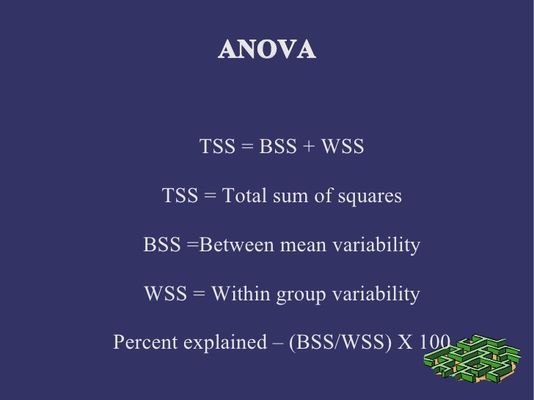
 |  |  |  | This will help to read the F table, df between will be numerator i.e. 2 and df within will be denominnator i.e.6 ALPHA 0.05 |  |  |  |  | 0.05 | %

 |  |  |  | 3 | As per F Table F statistic is 5.14 | 5.14

 | A | B | C | 4 | Calculate Sum of Square Deviation from the mean |  |  |  | 1 | 1
 | 3 | 5 | 2 |  | Mean of Group A | 2.0 |  |  | 2 | 0
 | 1 | 2 | 1 |  | Mean of Group B | 3.3 |  |  | 3 | 1
 | 2 | 3 | 3 |  | Mean of Group C | 2.0 |  |  |  | 2
 |  |  |  |  | Grand Mean | 2.4
 |  |  |  |  |  |  |  |  |  | 2
 | 0.31 | 6.53 | 0.20 | 5 | Total Sum of Square | Sum(X - Grand Mean of X)^2 |  |  |  | 3
 | 2.09 | 0.20 | 2.09 |  |  | 12.22
 | 0.20 | 0.31 | 0.31 |  |  |  |  |  |  | 0.66666666667
 |  |  |  | 6 | Within Sum of Square | Sum(A-Mean of A)^2+(B-Mean of B)^2+(C-Mean of C)^2 |  |  |  | Vasariance
 | 1 | 2.7777777778 | 0 |  |  | 8.67
 | 1 | 1.7777777778 | 1
 | 0 | 0.11111111111 | 1 | 7 | Between Sum of Square | TSS - WSS
 |  |  |  |  |  | 3.56 |  |  | 2
 |  |  |  |  |  |  |  |  | 6 | 5.14
 |  |  |  | 8 | Calculate Variance Between and Variance Within
Total Sum of Squre = WSS + BSS |  |  |  |  | MS Between | BSS | 3.56
 |  |  |  |  |  | DF Between | 2.00 | 1.78

 |  |  |  |  | MS Within | WSS | 8.67
 |  |  |  |  |  | DF Within | 6.00 | 1.44

 |  |  |  | 9 | Calculate F Statistics
 |  |  |  |  | F | MS Between | 1.78
 |  |  |  |  |  | MS Within | 1.44 | 1.23

 |  |  |  | 10 | Comparison of calculated F Value with Tabulated F Value
 |  |  |  |  | Tabulated F Value | 5.14
 |  |  |  |  | Calculated F Value | 1.23

 |  |  |  | 11 | State Conclusion
 |  |  |  |  | Calculate F Value is less than Tabulated F Value, Hence it is conclude that ther is no significate difference between the 3 groups as Null hypothesis is accepted

 |  |  |  |  | anova(data)

Within
****Between***
Within
Within
 |  |  |  |  | A | B | C

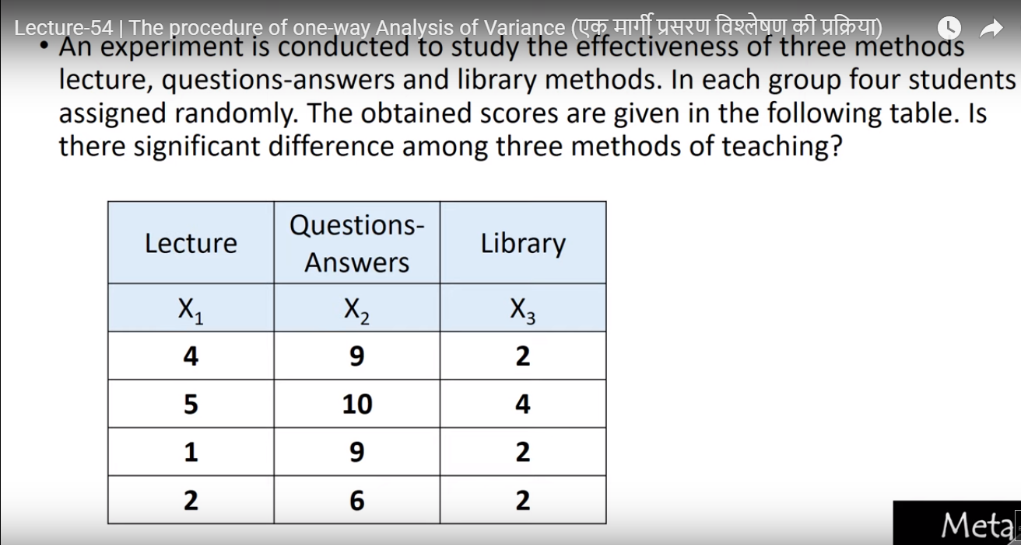
Example Two
X1 | X2 | X3 |  | 1 | Setting Hypothesis
4 | 9 | 2 |  |  | Null Hypothesis H0: uX1 = uX2 = uX3 | There is no significant difference in the mean of X1,X2 & X3
5 | 10 | 4 |  |  | Alternative H1: uX1 =!uX2 =!uX3 | There is atleast one significant difference in the mean of X1,X2 & X3
1 | 9 | 2
2 | 6 | 2 |  | 2 | Calculate Degree of Freedom
12 | 34 | 10 |  |  | Degree of Freedom Between = K - 1 | 2 | Number of Sub Group - 1
 |  |  |  |  | Degree of Freedom Within = N - K | 9 | Number of Observation - Number of Sub Group
0.44444444444 | 18.777777778 | 7.1111111111 |  |  | Degree of Freedom Total = DF between + DF within | 11
0.11111111111 | 28.444444444 | 0.44444444444
13.444444444 | 18.777777778 | 7.1111111111 |  | 3 | Calculate Tabulated F Statistic with 0.05 significant level | 4.26
7.1111111111 | 1.7777777778 | 7.1111111111
1 | 0.25 | 0.25 |  | 4 | Calculate Mean of Group X1 | 3
4 | 2.25 | 2.25 |  |  | Calculate Mean of Group X2 | 8.5
4 | 0.25 | 0.25 |  |  | Calculate Mean of Group X3 | 2.5
1 | 6.25 | 0.25 |  |  | Calcuate Grand mean of all groups | 4.6666666667

 |  |  |  | 5 | Calculate Total Sum of Square | 110.66666667
 |  |  |  | 6 | Calculate Between Sum of Square | 88.666666667
 |  |  |  | 7 | Calculate Within Sum of Square | 22

 |  |  |  | 8 | Calculate Mean Square Between | 44.333333333
 |  |  |  |  | Calculate Mean Square Within | 2.4444444444

 |  |  |  | 9 | Calculate F Statistic | 18.136363636

 |  |  |  | 10 | Compare Tabulated F Statistics and Calculated F Statistic | Tabulated F-Stats | Calculated F-Stats
 |  |  |  |  |  | 4.26 | 18.136363636
 |  |  |  | 11 | Conclusion | Cal.F-Stat is greater than Tab. F-stat and Hence, Null hypothesis rejected and We considered that there is significant changes in the mean of X1,X2 & X3

Anova: Single Factor
SUMMARY
Groups | Count | Sum | Average | Variance
Column 1 | 4 | 12 | 3 | 3.3333333333
Column 2 | 4 | 34 | 8.5 | 3
Column 3 | 4 | 10 | 2.5 | 1

ANOVA
Source of Variation | SS | df | MS | F | P-value | F crit
Between Groups | 88.666666667 | 2 | 44.333333333 | 18.136363636 | 0.0006963480011 | 4.2564947291
Within Groups | 22 | 9 | 2.4444444444

Total | 110.66666667 | 11

 |  |  |  |  |  | 5.14
 |  |  |  |  | Null Hypo Accept |  | Null Reject
 |  |  |  |  | Alt Rej |  | Alt Accept

 |  |  |  |  | Mark | Practice | Result
 |  |  |  |  | A | B | C

 |  |  |  |  | Hypothesis form | ==
 |  |  |  |  |  | !=

 |  |  |  |  | DF Between | K-1 | K = No of Group
 |  |  |  |  | DF Within | N - K

 |  |  |  |  | F stats table | xxx

 |  |  |  |  | Sum of Square Total |  | Sum(X-mean of X)^2
 |  |  |  |  | Sum of Square Between |  | A Sum(X-mean of X)^2
 |  |  |  |  |  |  | B Sum(X-mean of X)^2
 |  |  |  |  |  |  | C Sum(X-mean of X)^2

 |  |  |  |  | Sum of Square Within |  | SST-SSB

 |  |  |  |  | Variance Between |  | Sum of Square Between
 |  |  |  |  |  |  | DF Between

 |  |  |  |  | Variance within |  | Sum of Square Within
 |  |  |  |  |  |  | DF Within

 |  |  |  |  | F stats manual |  | Variance Between
 |  |  |  |  |  |  | Variance within

 |  |  |  |  | Compare
 |  |  |  |  | F stats table | F stats manual

 |  |  |  |  | F stats table < F stats Manual
 |  |  |  |  | Rejecte Null
 |  |  |  |  | F stats table > F stats Manual
 |  |  |  |  | Accept Null

 |  |  | Populare |  | S1 | S2 | S3
 |  |  | 1 |  | 1 | 2 | 8
 |  |  | 2 |  | 2 | 6 | 9
 |  |  | 3 |  | 3 | 7 | 5
 |  |  | 4 |  | 2 | 5 | 7.3333333333
 |  |  | 5 |  | Mean s1 = s2 =s3
 |  |  | 6
 |  |  | 7 |  |  |  | 4.7777777778
 |  |  | 8
 |  |  | 9

 |  |  | 5

 |  |  |  |  | Predition | Avr
 |  |  |  |  | Predition | Avr

 |  |  |  |  | 2 | 3
 |  |  |  |  |  | 1

